Section 6.1
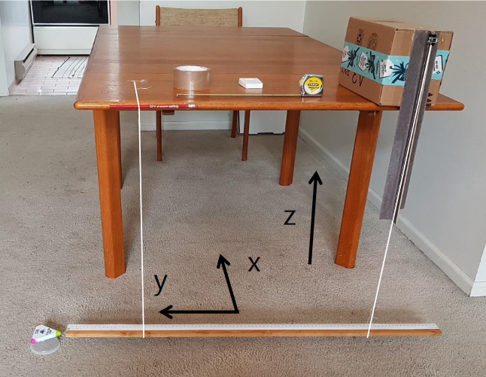
Aparatus Variables |  |  | Experimental Measurements X |  |  | Experimental Measurements Y
Variable | Value | Units | Cycle | Time | 1/2 Frequency | Cycle | Time | 1/2 Frequency
D | 90 | cm | 0 | 0 |  | 0 | 0
L1 | 70.5 | cm | 0.5 | 0.89 | 0.89 | 0.5 | 0.86 | 0.86
L2 | 70.5 | cm | 1 | 1.72 | 0.83 | 1 | 1.76 | 0.9
S | 0 | cm | 1.5 | 2.6 | 0.88 | 1.5 | 2.53 | 0.77
a1 | 0.5 | N/A | 2 | 3.36 | 0.76 | 2 | 3.35 | 0.82
a2 | 0.5 | N/A | 2.5 | 4.23 | 0.87 | 2.5 | 4.19 | 0.84
 |  |  | 3 | 5.08 | 0.85 | 3 | 5.04 | 0.85
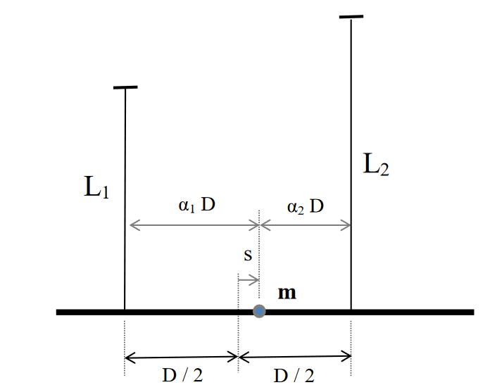
 |  |  | 3.5 | 5.85 | 0.77 | 3.5 | 5.83 | 0.79
 |  |  | 4 | 6.64 | 0.79 | 4 | 6.66 | 0.83
 |  |  | 4.5 | 7.36 | 0.72 | 4.5 | 7.5 | 0.84
 |  |  | 5 | 8.27 | 0.91 | 5 | 8.32 | 0.82
 |  |  | 5.5 | 9.2 | 0.93 | 5.5 | 9.15 | 0.83
 |  |  | 6 | 10.06 | 0.86 | 6 | 9.91 | 0.76
 |  |  | 6.5 | 10.88 | 0.82 | 6.5 | 10.72 | 0.81
 |  |  | 7 | 11.75 | 0.87 | 7 | 11.61 | 0.89
 |  |  | 7.5 | 12.58 | 0.83 | 7.5 | 12.49 | 0.88
 |  |  | 8 | 13.33 | 0.75 | 8 | 13.26 | 0.77
 |  |  | 8.5 | 14.19 | 0.86 | 8.5 | 14.11 | 0.85
 |  |  | 9 | 14.99 | 0.8 | 9 | 14.94 | 0.83
 |  |  | 9.5 | 15.76 | 0.77 | 9.5 | 15.77 | 0.83
 |  |  | 10 | 16.67 | 0.91 | 10 | 16.58 | 0.81

